Plan1
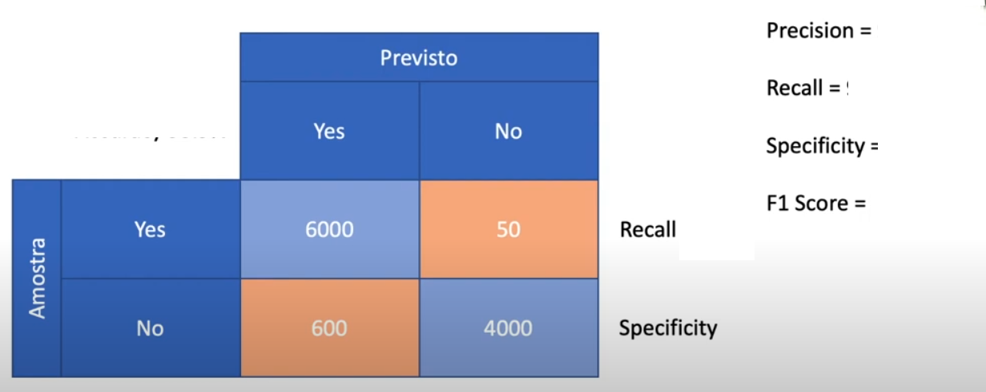

TP | TN | FP | FN | Precision | Recall | Specificity | Accuracy
6000 | 4000 | 600 | 50 | 90.9 | 99.2 | 87.0 | 93.9

